Calculator
This spreadsheet allows to define the configuration for each feature of the AEM00920 and AEM10920, as defined in the datasheet.
AEM datasheets and user guides for the evaluation boards can be found on the e-peas website
For additional support, contact support@e-peas.com

FILL WHITE CELLS

CUSTOM MODE CONFIGURATION (Available for: AEM00920 and AEM10920)

 |  | Parameter | Value | Min. | Max. | Description
Custom mode resistors from thresholds values | Target Values | VOVDIS [V] | 3.50 | 2.40 V | 3.58 V | Define the overdischarge level for the storage element (VOVDIS > VLOAD + 100 mV)
 |  | VCHRDY [V] | 3.60 | 2.50 V | 3.64 V | Define the charge ready level for the storage element (VCHRDY > VOVDIS + 100 mV)
 |  | VOVCH [V] | 3.70 | 2.70 V | 4.59 V | Define the overcharge level for the storage element (VOVCH > VCHRDY + 100 mV)

 | RT Value | RT [kΩ] | 192.00 | 100 kΩ | 400 kΩ | RT = R1 + R2 + R3 + R4 + 800 Ω
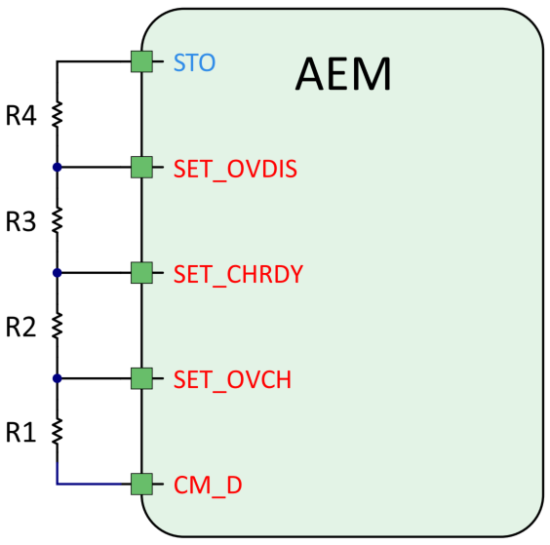
 | Results | R1 [kΩ] | 25.15 | See RT min./max.
 |  | R2 [kΩ] | 0.72
 |  | R3 [kΩ] | 0.76
 |  | R4 [kΩ] | 164.57

 |  | Parameter | Value | Min. | Max. | Description
Custom mode thresholds from resistors values | Resistors Values | R1 [kΩ] | 22.00 | See RT min./max.
 |  | R2 [kΩ] | 4.00
 |  | R3 [kΩ] | 5.10
 |  | R4 [kΩ] | 160.00
 |  | RT [kΩ] | 191.90 | 100 kΩ | 400 kΩ | RT = R1 + R2 + R3 + R4 + 800 Ω

 | Results | VOVDIS [V] | 3.01 | 2.40 V | 3.58 V
 |  | VCHRDY [V] | 3.58 | 2.46 V | 3.64 V
 |  | VOVCH [V] | 4.21 | 2.70 V | 4.59 V

5 V CHARGER (Available for: AEM00920 and AEM10920)

 |  | Parameter | Value | Min. | Max. | Description
5 V Charger Current Limit | Target Value | I5V,CC [mA] | 100.00 | 13.5 mA | 135 mA | Maximum charging current.

 | Results | R5V_IMAX [Ω] | 500 | 370 Ω | 3700 Ω | Resistor corresponding to the maximum charging current.

SOURCE VOLTAGE REGULATION (Available for: AEM00920)

 |  | Parameter | Value | Min. | Max. | Description
Voltage Regulation | Target Value | VSRC,REG [V] | 3.20 | 0.25 V | 3.20 V | Source voltage regulation value.

 | Results | SRC_ LVL_CFG[4:0] | 11111
 |  | VSRC,REG [V] | 3.20

