Calculator
This spreadsheet allows to define the configuration for each feature of the AEM11900, as defined in the datasheet.
AEM datasheets and user guides for the evaluation boards can be found on the e-peas website http://e-peas.com/
For additional support, contact support@e-peas.com

FILL WHITE CELLS

SOURCE REGULATION VOLTAGE IN CONSTANT VOLTAGE MODE

 |  | Parameter | Value | Min. | Max. | Description
Source Regulation Voltage Configuration | Target Value | VSRC,REG [V] | 0.75 | 0.25 V | 3.18 V | Define the source regulation voltage value

 | Results | SRC_CFG[4:0] | 01010
 |  | VSRC,REG [V] | 0.75

CUSTOM MODE CONFIGURATION

 |  | Parameter | Value | Min. | Max. | Description
Custom mode resistors from thresholds values | Target Values | VOVDIS [V] | 2.50 | 2.40 V | 4.39 V | Define the overdischarge level for the storage element (VOVDIS < VCHRDY - 100 mV)
 |  | VCHRDY [V] | 2.60 | 2.51 V | 4.50 V | Define the charge ready level for the storage element (VOVDIS + 100 mV < VCHRDY < VOVCH - 100mV )
 |  | VOVCH [V] | 3.80 | 2.61 V | 4.59 V | Define the overcharge level for the storage element (VOVCH > VCHRDY + 100 mV)

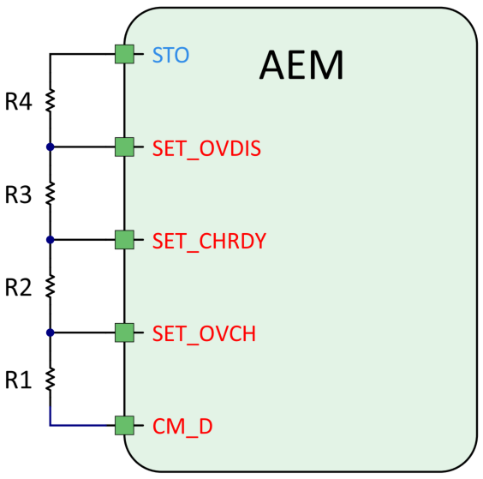
 | RT Value | RT [kΩ] | 250.00 | 100 kΩ | 400 kΩ | RT = R1 + R2 + R3 + R4

 | Results | R1 [kΩ] | 32.89 | See RT min./max.
 |  | R2 [kΩ] | 15.18
 |  | R3 [kΩ] | 1.92
 |  | R4 [kΩ] | 200.00

 |  | Parameter | Value | Min. | Max. | Description
Custom mode thresholds from resistors values | Resistors Values | R1 [kΩ] | 33.00 | See RT min./max.
 |  | R2 [kΩ] | 15.00
 |  | R3 [kΩ] | 2.00
 |  | R4 [kΩ] | 200.00
 |  | RT [kΩ] | 250.00 | 100 kΩ | 400 kΩ | RT = R1 + R2 + R3 + R4

 | Results | VOVDIS [V] | 2.50 | 2.40 V | 4.39 V
 |  | VCHRDY [V] | 2.60 | 2.51 V | 4.50 V
 |  | VOVCH [V] | 3.79 | 2.61 V | 4.59 V

